6. Recommendation system
Recommendation system - Foodpanda case study: | Data set:
Foodpanda front end (www.foodpanda.sg) is displaying by restaurant level. Each of restaurant has unique primary cuisine and multiple secondary cuisines. The platform wants to create a recommendation lane to customers top 3 cuisines they are likelihood to choose but have never ordered before. | cuisine | Numbers of order | Customer_id
 | Fast Food | 10 | 1
Question: | Cakes & Bakery | 2 | 1
1. Please advise at least one model for recommending top 3 cuisines which customers are likelihood to choose but have never ordered before. Briefly describe how this recommendation model works | Western | 1 | 1
2. Giving below is a dataset of 100 customers with orders from different cuisines. Please use Python/Excel or any application to execuse your recommended model above to give results. | Non-alcoholic Drinks | 1 | 1
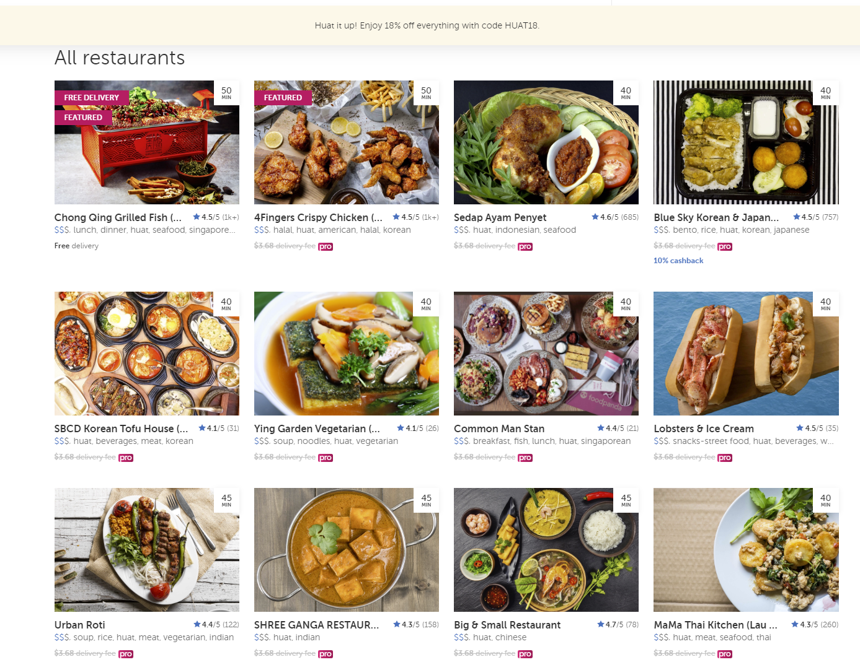
 | Chinese | 4 | 1
 | Pizza | 5 | 1
 | Thai | 1 | 1
 | Indian | 1 | 1
 | American | 2 | 1
 | Vietnamese | 2 | 1
 | Singaporean | 7 | 1
 | Desserts | 1 | 1
 | American | 6 | 2
 | Fast Food | 2 | 2
 | Japanese | 2 | 2
 | Western | 4 | 2
 | Singaporean | 14 | 2
 | Chinese | 11 | 2
 | Pizza | 2 | 2
 | Vietnamese | 1 | 2
 | Burgers | 6 | 2
 | Malaysian | 1 | 2
 | Halal | 1 | 3
 | Italian | 2 | 3
 | Healthy Food | 1 | 3
 | Burgers | 5 | 3
 | Western | 2 | 3
 | Chinese | 6 | 3
 | Japanese | 3 | 3
 | European | 1 | 3
 | Singaporean | 3 | 3
 | Thai | 2 | 3
 | Cakes & Bakery | 2 | 3
 | Desserts | 1 | 3
 | Chicken | 1 | 3
 | Vietnamese | 3 | 3
 | Indian | 1 | 3
 | Korean | 2 | 3
 | American | 1 | 3
 | Fast Food | 3 | 4
 | Cakes & Bakery | 1 | 4
 | Melaka Portuguese | 1 | 4
 | Chinese | 6 | 4
 | Non-alcoholic Drinks | 5 | 4
 | Thai | 1 | 4
 | Healthy Food | 2 | 4
 | Singaporean | 11 | 4
 | American | 2 | 4
 | Western | 1 | 4
 | American | 4 | 5
 | Fast Food | 2 | 5
 | Singaporean | 3 | 5
 | Western | 9 | 5
 | Chinese | 4 | 5
 | Asian | 2 | 5
 | Indian | 10 | 5
 | Chicken | 1 | 5
 | Desserts | 2 | 5
 | Non-alcoholic Drinks | 2 | 5
 | Healthy Food | 1 | 6
 | Korean | 1 | 6
 | Singaporean | 21 | 6
 | Mexican | 1 | 6
 | Desserts | 1 | 6
 | Indian | 2 | 6
 | Japanese | 3 | 6
 | Sandwiches | 3 | 6
 | Chinese | 7 | 6
 | Fast Food | 1 | 6
 | Thai | 1 | 6
 | Pizza | 1 | 6
 | Cakes & Bakery | 1 | 6
 | Non-alcoholic Drinks | 1 | 6
 | Chinese | 24 | 7
 | Malaysian | 3 | 7
 | Non-alcoholic Drinks | 3 | 7
 | Singaporean | 16 | 7
 | Japanese | 4 | 7
 | Indonesian | 1 | 7
 | Thai | 1 | 7
 | Pizza | 1 | 7
 | Western | 1 | 7
 | Indian | 2 | 7
 | Healthy Food | 1 | 7
 | Chinese | 14 | 8
 | Burgers | 3 | 8
 | Singaporean | 5 | 8
 | International | 1 | 8
 | Healthy Food | 1 | 8
 | Western | 1 | 8
 | Korean | 1 | 8
 | Desserts | 3 | 8
 | Cakes & Bakery | 1 | 8
 | Thai | 1 | 8
 | Japanese | 1 | 8
 | Fast Food | 2 | 8
 | Vietnamese | 1 | 8
 | Indian | 1 | 8
 | Thai | 1 | 9
 | Chinese | 4 | 9
 | Chicken | 9 | 9
 | Singaporean | 12 | 9
 | Desserts | 5 | 9
 | Fast Food | 2 | 9
 | French | 1 | 9
 | Cakes & Bakery | 2 | 9
 | Non-alcoholic Drinks | 1 | 9
 | Burgers | 6 | 9
 | Japanese | 1 | 9
 | Healthy Food | 1 | 9
 | Fast Food | 3 | 10
 | Singaporean | 14 | 10
 | Healthy Food | 1 | 10
 | American | 2 | 10
 | Indian | 1 | 10
 | Chicken | 2 | 10
 | Western | 3 | 10
 | Asian | 3 | 10
 | Seafood | 1 | 10
 | Non-alcoholic Drinks | 3 | 10
 | Chinese | 26 | 11
 | Thai | 3 | 11
 | Seafood | 4 | 11
 | Indian | 1 | 11
 | Fast Food | 13 | 11
 | Indonesian | 1 | 11
 | American | 1 | 12
 | Chinese | 16 | 12
 | Seafood | 2 | 12
 | Chicken | 1 | 12
 | Fast Food | 2 | 12
 | Malaysian | 4 | 12
 | Singaporean | 7 | 12
 | Desserts | 1 | 12
 | Indian | 5 | 13
 | Fast Food | 8 | 13
 | Mexican | 8 | 13
 | Non-alcoholic Drinks | 1 | 13
 | Pizza | 8 | 13
 | Italian | 1 | 13
 | Burgers | 2 | 14
 | Non-alcoholic Drinks | 7 | 14
 | Pizza | 1 | 14
 | Singaporean | 2 | 14
 | Chinese | 9 | 14
 | Korean | 1 | 14
 | Fast Food | 1 | 14
 | Thai | 1 | 14
 | Vietnamese | 1 | 14
 | Japanese | 1 | 14
 | Desserts | 2 | 14
 | Middle Eastern | 1 | 14
 | Western | 1 | 14
 | Western | 1 | 15
 | American | 3 | 15
 | Seafood | 4 | 15
 | Chicken | 2 | 15
 | Singaporean | 8 | 15
 | Asian | 5 | 15
 | Indian | 2 | 15
 | Malay | 3 | 15
 | Chinese | 6 | 16
 | Vegetarian | 3 | 16
 | Fast Food | 5 | 16
 | Desserts | 2 | 16
 | Cakes & Bakery | 2 | 16
 | Singaporean | 5 | 16
 | Indian | 3 | 16
 | Non-alcoholic Drinks | 6 | 16
 | Healthy Food | 2 | 16
 | Italian | 1 | 16
 | Burgers | 1 | 16
 | Burgers | 2 | 17
 | Seafood | 2 | 17
 | Chinese | 6 | 17
 | Fast Food | 2 | 17
 | American | 1 | 17
 | Singaporean | 1 | 17
 | Western | 14 | 17
 | Asian | 2 | 17
 | Desserts | 1 | 17
 | Korean | 1 | 17
 | Vietnamese | 1 | 17
 | Indian | 1 | 18
 | Chinese | 21 | 18
 | Italian | 1 | 18
 | Japanese | 4 | 18
 | Singaporean | 12 | 18
 | Fast Food | 1 | 18
 | Cakes & Bakery | 1 | 18
 | Indian | 12 | 19
 | Chinese | 19 | 19
 | Seafood | 10 | 19
 | Singaporean | 6 | 19
 | Fast Food | 11 | 20
 | Japanese | 4 | 20
 | Singaporean | 8 | 20
 | Italian | 4 | 20
 | Chinese | 13 | 20
 | Asian | 5 | 20
 | Western | 3 | 20
 | American | 1 | 20
 | Desserts | 1 | 20
 | Thai | 1 | 20
 | Non-alcoholic Drinks | 1 | 20
 | Cakes & Bakery | 1 | 20
 | Pizza | 1 | 20
 | Non-alcoholic Drinks | 12 | 21
 | American | 1 | 21
 | Fast Food | 10 | 21
 | Indonesian | 1 | 21
 | Singaporean | 1 | 21
 | Japanese | 1 | 21
 | Healthy Food | 1 | 21
 | Indian | 1 | 21
 | Sandwiches | 3 | 21
 | Mexican | 1 | 21
 | Burgers | 1 | 21
 | Seafood | 3 | 22
 | Japanese | 9 | 22
 | Thai | 3 | 22
 | Chinese | 19 | 22
 | Korean | 1 | 22
 | Chinese | 6 | 23
 | Western | 4 | 23
 | Thai | 1 | 23
 | American | 1 | 23
 | Italian | 1 | 23
 | Singaporean | 6 | 23
 | Asian | 5 | 23
 | Filipino | 12 | 23
 | Chinese | 18 | 24
 | Singaporean | 20 | 24
 | Asian | 1 | 24
 | Turkish | 2 | 24
 | Japanese | 1 | 24
 | Non-alcoholic Drinks | 1 | 24
 | Mexican | 7 | 25
 | Singaporean | 1 | 25
 | American | 2 | 25
 | Italian | 1 | 25
 | Japanese | 3 | 25
 | Fast Food | 4 | 25
 | Pizza | 7 | 25
 | Chinese | 4 | 25
 | Western | 1 | 25
 | Non-alcoholic Drinks | 4 | 25
 | Desserts | 1 | 25
 | Burgers | 3 | 25
 | Sandwiches | 1 | 25
 | American | 1 | 26
 | Asian | 3 | 26
 | Chinese | 2 | 26
 | Filipino | 25 | 26
 | Chicken | 1 | 26
 | German | 1 | 26
 | Non-alcoholic Drinks | 2 | 27
 | Chinese | 2 | 27
 | Western | 3 | 27
 | Desserts | 1 | 27
 | Pizza | 3 | 27
 | Asian | 3 | 27
 | Cakes & Bakery | 2 | 27
 | Healthy Food | 1 | 27
 | Singaporean | 10 | 27
 | Indian | 11 | 27
 | European | 1 | 27
 | Burgers | 1 | 27
 | Chinese | 15 | 28
 | Indian | 2 | 28
 | Fast Food | 2 | 28
 | Korean | 4 | 28
 | Pizza | 1 | 28
 | Asian | 7 | 28
 | Burgers | 1 | 28
 | American | 5 | 28
 | Japanese | 3 | 28
 | Singaporean | 12 | 28
 | Non-alcoholic Drinks | 1 | 28
 | Western | 1 | 28
 | Healthy Food | 1 | 28
 | Chinese | 13 | 29
 | Singaporean | 9 | 29
 | Japanese | 3 | 29
 | Asian | 3 | 29
 | Burgers | 4 | 29
 | Western | 1 | 29
 | Healthy Food | 2 | 29
 | Non-alcoholic Drinks | 1 | 29
 | Desserts | 1 | 29
 | Fast Food | 2 | 29
 | Vietnamese | 1 | 29
 | Fast Food | 1 | 30
 | Non-alcoholic Drinks | 2 | 30
 | Asian | 1 | 30
 | Chinese | 4 | 30
 | Singaporean | 10 | 30
 | Western | 1 | 30
 | Healthy Food | 4 | 30
 | Desserts | 2 | 30
 | Vietnamese | 1 | 30
 | Thai | 1 | 30
 | Burgers | 1 | 30
 | Halal | 1 | 30
 | Singaporean | 12 | 31
 | Fast Food | 2 | 31
 | Italian | 2 | 31
 | Chinese | 2 | 31
 | Non-alcoholic Drinks | 2 | 31
 | Cakes & Bakery | 4 | 31
 | Healthy Food | 1 | 31
 | Western | 2 | 31
 | Korean | 2 | 31
 | Pizza | 1 | 31
 | Seafood | 1 | 31
 | Desserts | 1 | 31
 | Indian | 1 | 31
 | Chicken | 1 | 31
 | Non-alcoholic Drinks | 1 | 32
 | American | 1 | 32
 | Indian | 10 | 32
 | Singaporean | 5 | 32
 | Healthy Food | 3 | 32
 | International | 1 | 32
 | Chinese | 9 | 32
 | Fast Food | 1 | 32
 | Fast Food | 4 | 33
 | Chicken | 4 | 33
 | Halal | 1 | 33
 | Japanese | 1 | 33
 | Asian | 2 | 33
 | Healthy Food | 2 | 33
 | American | 2 | 33
 | Italian | 1 | 33
 | Thai | 1 | 33
 | Korean | 2 | 33
 | Singaporean | 14 | 33
 | Indian | 4 | 33
 | Western | 4 | 33
 | Indonesian | 2 | 33
 | Cakes & Bakery | 2 | 33
 | Chinese | 2 | 33
 | Singaporean | 6 | 34
 | Western | 2 | 34
 | Japanese | 1 | 34
 | Thai | 1 | 34
 | Chinese | 5 | 34
 | Non-alcoholic Drinks | 1 | 34
 | Italian | 1 | 34
 | Asian | 1 | 34
 | Korean | 2 | 34
 | Cakes & Bakery | 1 | 34
 | Fast Food | 9 | 34
 | Desserts | 1 | 34
 | Vietnamese | 1 | 34
 | Chinese | 23 | 35
 | Fast Food | 5 | 35
 | Western | 2 | 35
 | American | 1 | 35
 | Vegetarian | 1 | 35
 | Italian | 1 | 36
 | Seafood | 5 | 36
 | Japanese | 1 | 36
 | Singaporean | 6 | 36
 | Western | 4 | 36
 | Chinese | 2 | 36
 | Desserts | 2 | 36
 | American | 3 | 36
 | Chicken | 1 | 36
 | Thai | 1 | 36
 | Halal | 1 | 36
 | Fast Food | 1 | 36
 | Cakes & Bakery | 1 | 36
 | Thai | 2 | 37
 | Western | 4 | 37
 | Fast Food | 5 | 37
 | Chicken | 1 | 37
 | Indian | 13 | 37
 | Italian | 2 | 37
 | Singaporean | 20 | 37
 | Seafood | 1 | 37
 | Pizza | 4 | 38
 | Asian | 8 | 38
 | Malaysian | 1 | 38
 | Western | 5 | 38
 | Chinese | 7 | 38
 | Fast Food | 8 | 38
 | Singaporean | 3 | 38
 | Burgers | 1 | 38
 | Japanese | 1 | 38
 | Indian | 2 | 38
 | Singaporean | 10 | 39
 | Western | 5 | 39
 | Fast Food | 17 | 39
 | Italian | 2 | 39
 | Vietnamese | 1 | 39
 | Non-alcoholic Drinks | 8 | 39
 | Malay | 1 | 40
 | Indian | 2 | 40
 | Chinese | 10 | 40
 | Chicken | 1 | 40
 | Singaporean | 3 | 40
 | Seafood | 1 | 40
 | Japanese | 3 | 40
 | Korean | 1 | 40
 | American | 2 | 40
 | Desserts | 1 | 40
 | Pizza | 4 | 40
 | Healthy Food | 2 | 40
 | Singaporean | 12 | 41
 | Non-alcoholic Drinks | 5 | 41
 | Seafood | 4 | 41
 | Chinese | 12 | 41
 | European | 1 | 41
 | Indonesian | 1 | 41
 | Desserts | 1 | 41
 | Fast Food | 1 | 41
 | Asian | 2 | 41
 | Korean | 2 | 41
 | Healthy Food | 2 | 41
 | Thai | 3 | 41
 | Indian | 1 | 41
 | Chinese | 3 | 42
 | Non-alcoholic Drinks | 1 | 42
 | Indian | 9 | 42
 | Western | 1 | 42
 | Singaporean | 11 | 42
 | Desserts | 2 | 42
 | Fast Food | 7 | 42
 | Halal | 2 | 42
 | Western | 2 | 43
 | Indian | 2 | 43
 | Non-alcoholic Drinks | 5 | 43
 | Asian | 5 | 43
 | Singaporean | 18 | 43
 | Chinese | 6 | 43
 | Fast Food | 1 | 43
 | Cakes & Bakery | 1 | 43
 | Fast Food | 6 | 44
 | Singaporean | 5 | 44
 | Chinese | 4 | 44
 | Malaysian | 1 | 44
 | Chicken | 7 | 44
 | Western | 1 | 44
 | Desserts | 3 | 44
 | Non-alcoholic Drinks | 1 | 44
 | American | 2 | 45
 | Healthy Food | 1 | 45
 | Fast Food | 10 | 45
 | Chicken | 2 | 45
 | Burgers | 2 | 45
 | Pizza | 2 | 45
 | Western | 3 | 45
 | Asian | 3 | 45
 | Japanese | 2 | 45
 | Indonesian | 1 | 45
 | Korean | 2 | 45
 | Indian | 1 | 45
 | Singaporean | 1 | 45
 | Chinese | 6 | 45
 | Middle Eastern | 1 | 46
 | Pizza | 1 | 46
 | Healthy Food | 2 | 46
 | Indian | 1 | 46
 | Singaporean | 5 | 46
 | Japanese | 5 | 46
 | Cakes & Bakery | 1 | 46
 | Chinese | 12 | 46
 | Korean | 1 | 46
 | Indonesian | 1 | 46
 | Burgers | 1 | 46
 | Western | 5 | 46
 | Fast Food | 1 | 46
 | Seafood | 2 | 46
 | American | 1 | 47
 | Singaporean | 8 | 47
 | Indian | 11 | 47
 | Healthy Food | 1 | 47
 | Malay | 8 | 47
 | Chicken | 1 | 47
 | Chinese | 1 | 47
 | Japanese | 4 | 48
 | Indian | 2 | 48
 | Italian | 9 | 48
 | Non-alcoholic Drinks | 4 | 48
 | Fast Food | 4 | 48
...

